Sheet1
STT | Thể Loại | Sản Phẩm | Hình Ảnh | Giá Tiền | Nhà phát hành
1 | Dragonball | Final Form Frieza | 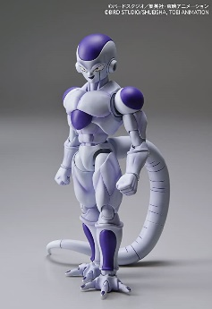 | 1.320.000 | Banzai
2 | Dragonball | Krillin | 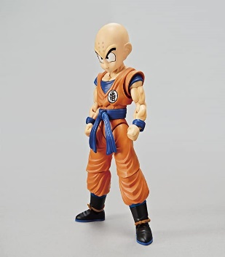 | 1.750.000 | Banzai
3 | Dragonball | Perfect Cell | 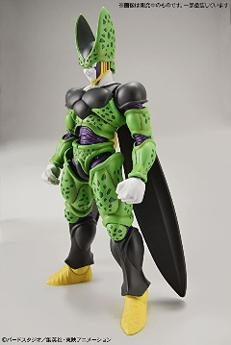 | 1.150.000 | Banzai
4 | Dragonball | Piccolo | 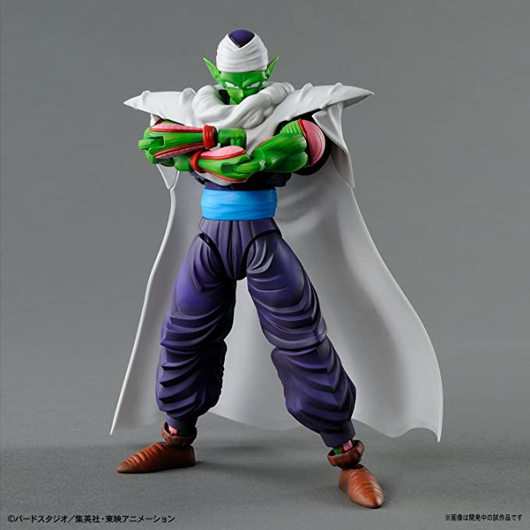 | 1.600.000 | Banzai
5 | Dragonball | SSGSS Son Goku | 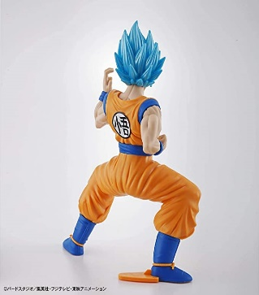 | 230.000 | Banzai
6 | Dragonball | SSGSS Vegeta | 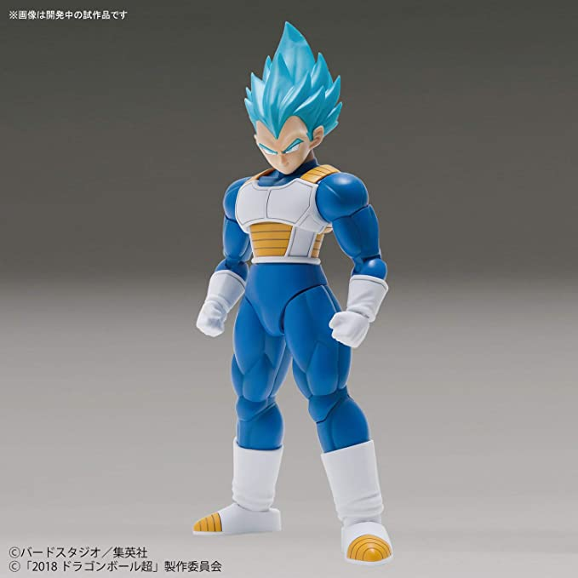 | 1.035.000 | Banzai
7 | Dragonball | Super Saiyan 2 Son Gohan | 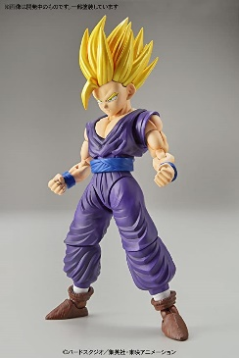 | 1.909.000 | Banzai
8 | Dragonball | Super Saiyan 3 Son Goku | 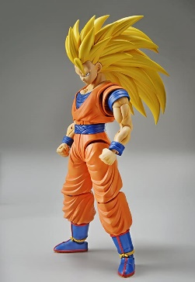 | 1.150.000 | Banzai
9 | Dragonball | Super Saiyan 4 Son Goku Dragon Ball GT Action | 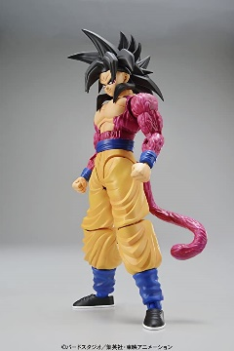 | 969.000 | Banzai
10 | Dragonball | Super Saiyan Trunks | 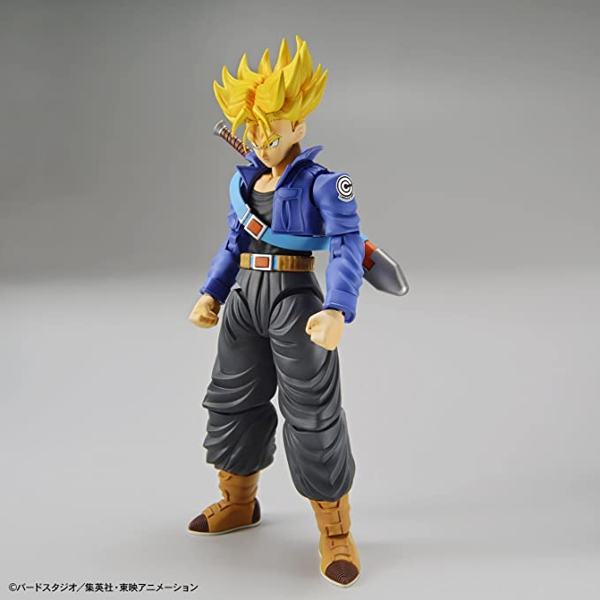 | 1.999.000 | Banzai
11 | Gundam | Model Kit - Redeem | 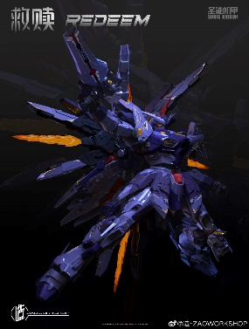 | 660.000 | Zaoworkshop
12 | Gundam | TRAILBLAZER | 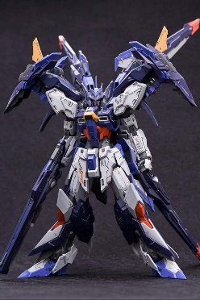 | 800.000 | IN ERA+
13 | Gundam | CD-TG01 -Tianwei | 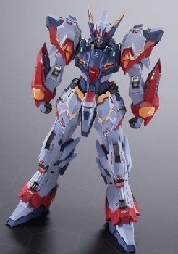 | 1.300.000 | Cangdao
14 | Gundam | Hắc Hồ,Hắc Long | 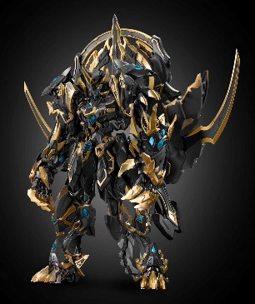 | 3.400.000 | Cangdao
15 | Gundam | Hexa Gear V-Thor Pawn X1 | 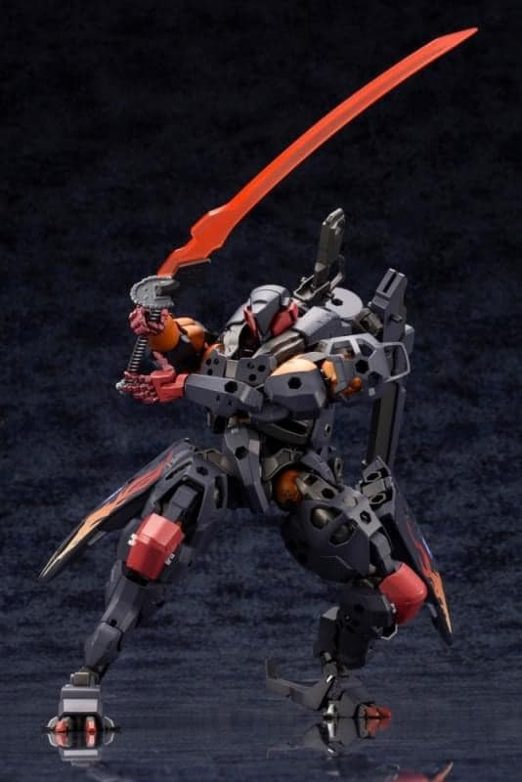 | 2.000.0000 | Model kit
16 | Gundam | Genesis DX Ver | 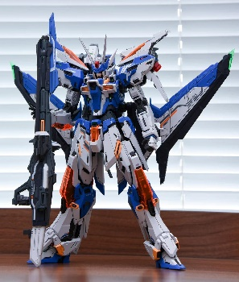 | 1.300.000 | METAL FRAME
17 | Gundam | CZ-12A : Nebula | 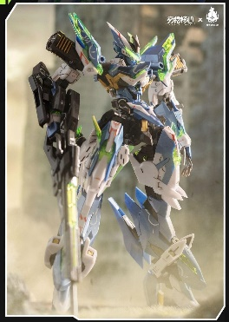 | 800.000 | Model Kit
18 | Gundam | RULING TYPE-01 | 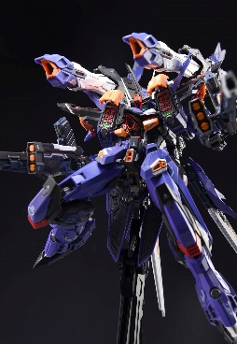 | 1.600.000 | InEra+
19 | Gundam | NZS-05-3 : God of Thunder / Thor | 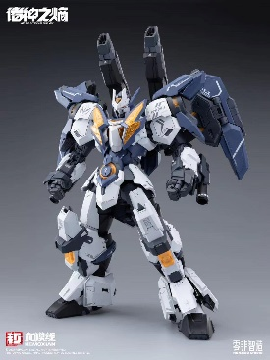 | 880.000 | Model Kit
20 | Gundam | Orange Cat Industry - Tekkaman Evil ( Premium Color ) | 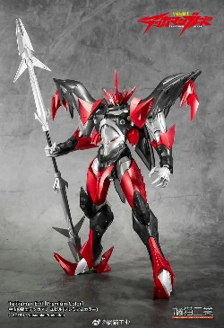 | 1.380.000 | Model Kit
21 | One piece | One Piece - Usopp | 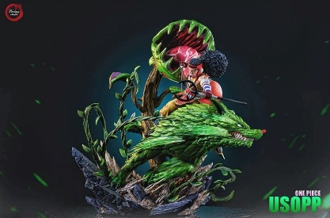 | 6.600.000 | Fantasy
22 | One piece | Scale 1/1 Luffy Nika | 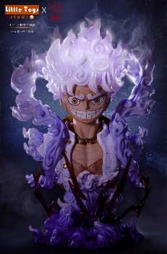 | 15.800.000 | Shadow Studio
23 | One piece | Enel-onepiece | 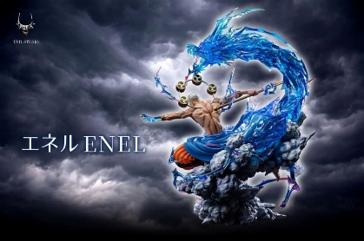 | 10.000.000 | Fantasy
24 | One piece | One Piece - Zoro | 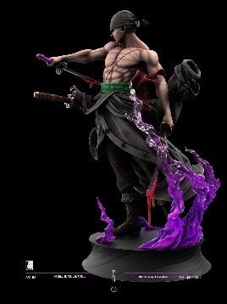 | 5.550.000 | Last Sleep
25 | One piece | carrot-one piece | 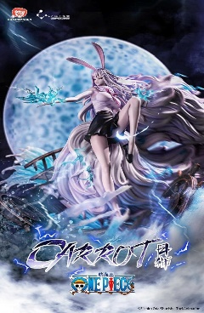 | 12.850.000 | Fantasy
26 | One piece | 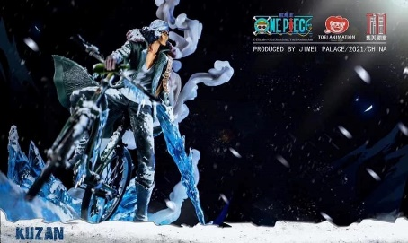 Kuzan Ver 2 |  | 6.999.000 | Jimei Studio
27 | One piece | Luffy vs Kaido | 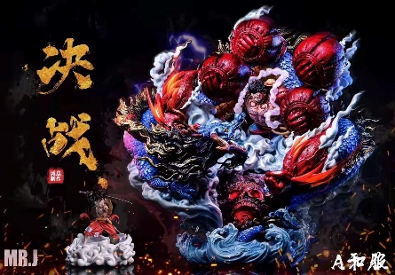 | 10.800.000 | Resin
28 | One piece | One Piece - Marco | 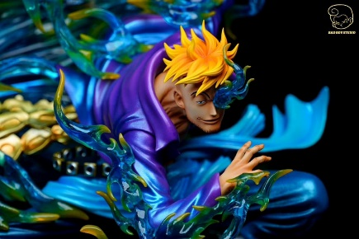 | 3.800.000 | Bad Boy Studio
29 | One piece | Ace donut | 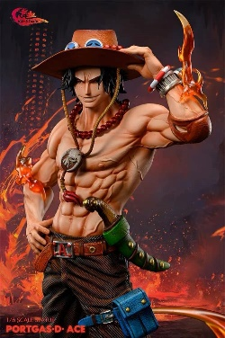 | 5.000.000 | Resin
30 | One piece | Enel-onepiece2 | 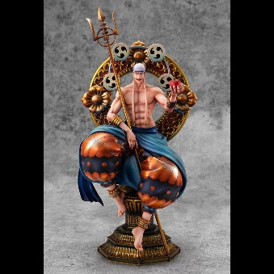 | 3.680.000 | Mega House
31 | Pokemon | Siêu phẩm Pokemon | 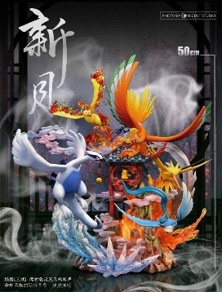 | 20.000.000 | Crescent Studio.
32 | Pokemon | Pokemon - Scizor | 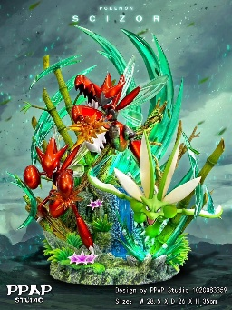 | 5.200.000 | PPAP Studio
33 | Pokemon | Pokemon - Blue Oak | 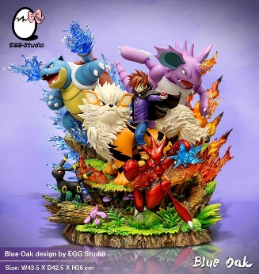 | 10.500.000 | Egg Studio
34 | Pokemon | Bộ 3 thời tiết | 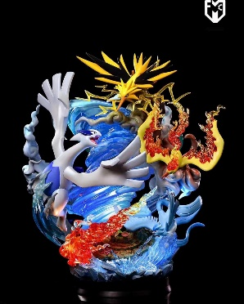 | 9.800.000 | Egg Studio
35 | Pokemon | Pokemon - Venusaur | 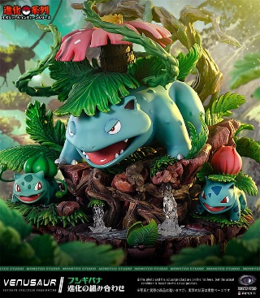 | 6.800.000 | Monster Studio
36 | Pokemon | Pokemon - Grass Type | 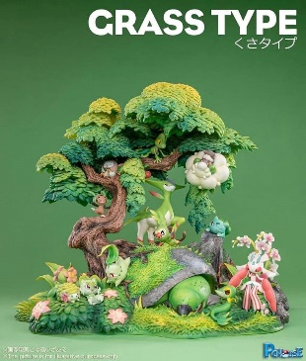 | 6.500.000 | Pc House
37 | Pokemon | Dark Lucia | 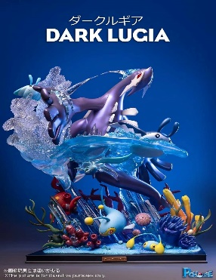 | 8.950.000 | PcHouse
38 | Pokemon | GrenNinja | 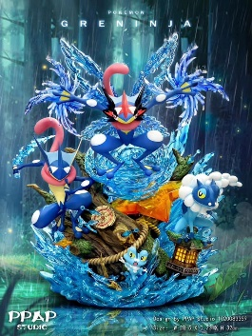 | 9.990.000 | PPAP Studio
39 | Pokemon | raichu | 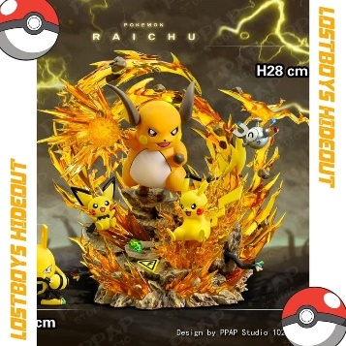 | 12.000.000 | PPAP Studio
40 | Pokemon | Rayquaza | 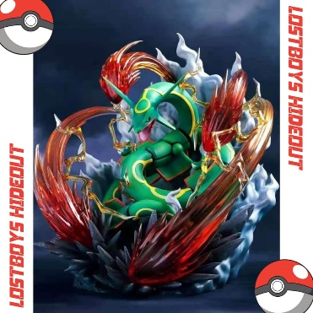 | 11.900.000 | PPAP Studio
41 | Other | Series Naruto | 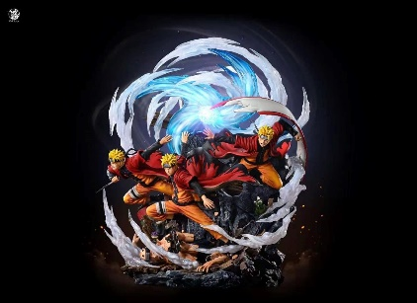 | 13.600.000 | Ventus Studio
42 | Other | Series Mononoke Hime | 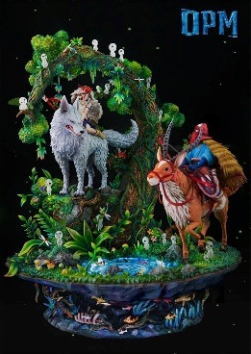 | 13.600.000 | OPM Studio
43 | Other | Chainsaw Man - Makima |  | 8.600.000 | Yoyo Studio
44 | Other | Yugi-Oh - Exodia | 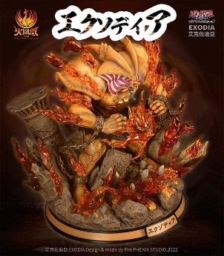 | 9.300.000 | Fire Phoenix Studio
45 | Other | Swort Art Online - Asuna | 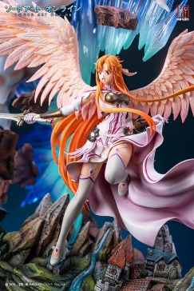 | 18.600.000 | Jimei Palace
46 | Other | Naruto - Madara | 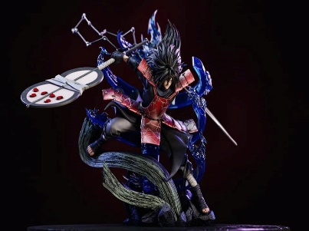 | 4.200.000 | Jimei Palace
47 | Other | YujixSukana | 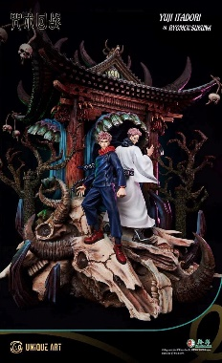 | 12.987.000 | UniqueArt
48 | Other | Raiden gensin |  | 11.950.000 | RO Studio
49 | Other | POISON IVY | 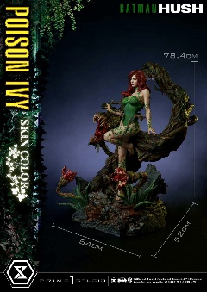 | 11.220.000 | Prime Studio
50 | Other | Naruto - Pain | 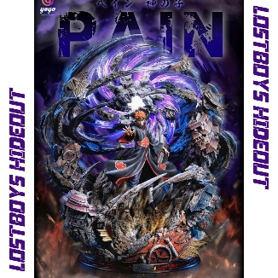 | 12.200.000 | RO Studio

